Sheet1
Test Case: | Pre-Conditions: | Description: | Input: | Expected Result: | Actual Result: | Pass/Fail:
Run Application | Install LTS version of Node.js (16.15.0) Have a stable internet connection Have a web browser installed | Open terminal in VS Code, make sure all needed software is installed (node.js, cloned repository, etc.) | In the terminal of your IDE (VS Code) use the "cd" command to get to the directory that your package.json is in. Once in the correct directory, type the command "npm start". | The application will run in a web-browser. | The application ran in my default browser (Firefox). | Pass
Add new to-do list item | Install LTS version of Node.js (16.15.0) Have a stable internet connection Have a web browser installed | Input a new to-do list item by typing in the "add a new todo…" blank. Then either click the plus sign or press the enter key. | type "wash laundry" type "mop floors" | The user will be able to add a new to-do list item. | The two items used as input are now on the to-do list. | Pass
Delete existing to-do list item | Install LTS version of Node.js (16.15.0) Have a stable internet connection Have a web browser installed | Delete an existing item by clicking on the corresponding "x" in the to-do list. | click "x" | The user will be able to delete to-do list items. | “learn react” was deleted by clicking on the “x” corresponding to that item. | Pass
Check/uncheck to-do list items | Install LTS version of Node.js (16.15.0) Have a stable internet connection Have a web browser installed | Check and uncheck items by clicking on the corresponding check box. | Click on check boxes. | The user will be able to check/uncheck to-do list items. | I was able to check/uncheck each item using their corresponding check boxes. | Pass
Test for input limits (number of characters) | Install LTS version of Node.js (16.15.0) Have a stable internet connection Have a web browser installed | Test input limits on the number of allowed characters by typing increasingly long to-do list items. | Any long to-do list item will work, my input was the top three items listed on the screenshot to the right. | The application would at some point reach a limit of the amount of characters that can be input. | 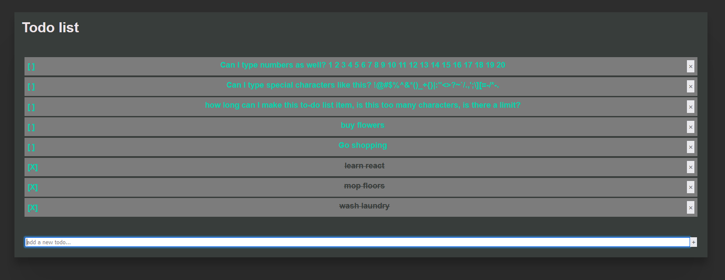 While I did type a few longer to-do list items, this question would be more efficiently answered using a script that adds new items of increasing length and prints an error when/if it reaches a character limit. However, if there is not limit, said script could potentially run infinitely. Therefore, I don’t believe that it is feasible to test this given that the Todo list application is effective for adding/removing most typical to-do items as is. | N/A
Test for input limits (type of characters) | Install LTS version of Node.js (16.15.0) Have a stable internet connection Have a web browser installed | Test input limits on the type of allowed characters by typing numbers, letters, and special characters. | Any to-do list items containing numbers, letters, and special characters will work, my input was the top two items listed on the screenshot to the right. | The application would allow input of numbers, letters, and special characters. | As shown below, the application allows input of numbers, letters, and special characters. | Pass
Test application in multiple browsers | Install LTS version of Node.js (16.15.0) Have a stable internet connection Have multiple web browsers installed (I used Firefox, Edge, Chrome, and Internet Explorer) | Test various different web browsers by changing the default browser to the one being tested. | After selecting the correct default browser, in the terminal of your IDE (VS Code) use the "cd" command to get to the directory that your package.json is in. Once in the correct directory, type the command "npm start". | The application would run in the most commonly known browsers, but not the seldom used or obscure browsers. | I successfully ran the application in the following browsers: -Firefox -Microsoft Edge -Google Chrome The application did not run in the following browsers: -Internet Explorer | N/A

